pivot report
 |  |  |  |  | no. of patient
 |  |  |  |  | Distinct Count of Patient Id
 |  |  |  |  | 471

 |  |  |  |  |  | creatr pt on basis of date as I want every day or month data |  | date heierchy kholo then ungroupby clicking right on pt
 |  |  |  |  |  | DAILY TRENDS OF THE NUMBER OF PATIENT VISITING |  |  |  | now I get each each date

 |  |  |  |  | Average of Patient Waittime | Row Labels | Distinct Count of Patient Id |  | Now group again by select month and date |  |  | and date bhi ari hai to remove date from it not day, and remove month too | now I got how many people
 |  |  |  |  | 34.05 | 1-Oct | 20 |  | daily visit our hospital each day |  | and so to slicer select month slicer , now cut slicer and paste it to the dashboard and make interaction of it, click slicer tab and report connections
same coulumn one in rows and one in values count |  |  |  |  |  | 2-Oct | 11
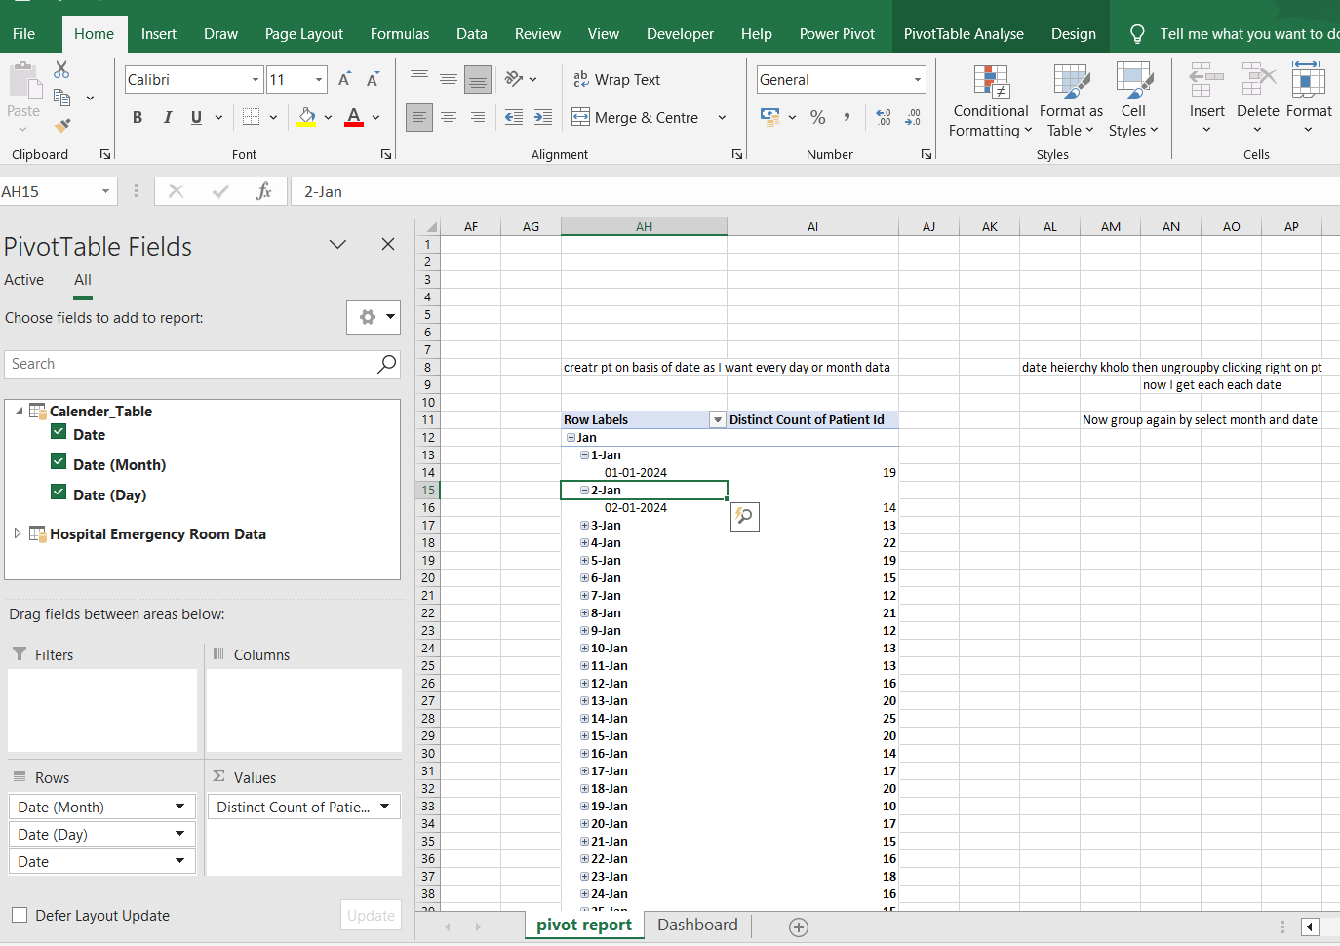
than again same patient admission flag column but show value as grand total % |  |  |  |  |  | 3-Oct | 18
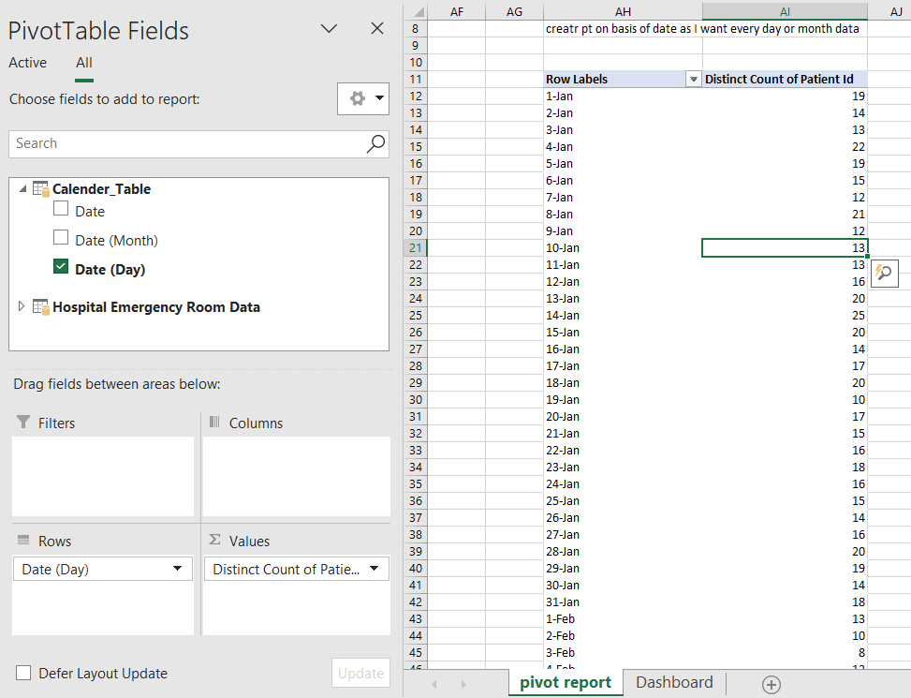
 |  |  |  |  |  | 4-Oct | 16
 |  |  |  |  |  | 5-Oct | 11
Row Labels | Count of Patient Admission Flag | Count of Patient Admission Flag2 |  |  | Average of Patient Satisfaction Score | 6-Oct | 11
Admitted | 247.00 | 52.44% |  |  | 5.31 | 7-Oct | 14
Not Admitted | 224.00 | 47.56% |  |  |  | 8-Oct | 16
Grand Total | 471.00 | 100.00% |  |  |  | 9-Oct | 18
 |  |  |  |  |  | 10-Oct | 10
 |  |  |  |  |  | 11-Oct | 23
Admission status | Patient | %status |  | AVERAGE WAIT TIME DAILY |  | 12-Oct | 19
Not Admitted | 224 | 47.56% |  |  |  | 13-Oct | 14
Admitted | 247 | 52.44% |  | Row Labels | Average of Patient Waittime | 14-Oct | 20
 |  |  |  | 1-Oct | 37.40 | 15-Oct | 15
 |  |  |  | 2-Oct | 38.55 | 16-Oct | 12
 |  |  |  | 3-Oct | 31.33 | 17-Oct | 17
age group by anlysis |  |  |  | 4-Oct | 36.50 | 18-Oct | 18
Row Labels | Count of Age Group |  |  | 5-Oct | 25.73 | 19-Oct | 16
0-09 | 70 |  |  | 6-Oct | 29.27 | 20-Oct | 20
10-19 | 53 |  |  | 7-Oct | 33.50 | 21-Oct | 17
20-29 | 65 |  |  | 8-Oct | 27.19 | 22-Oct | 19
30-39 | 54 |  |  | 9-Oct | 30.33 | 23-Oct | 17
40-49 | 59 |  |  | 10-Oct | 32.50 | 24-Oct | 18
50-59 | 58 |  |  | 11-Oct | 33.57 | 25-Oct | 18
60-69 | 52 |  |  | 12-Oct | 37.47 | 26-Oct | 15
70-79 | 60 |  |  | 13-Oct | 33.86 | 27-Oct | 10
Grand Total | 471.00 |  |  | 14-Oct | 32.25 | 28-Oct | 14
 |  |  |  | 15-Oct | 43.67 | 29-Oct | 9
 |  |  |  | 16-Oct | 30.17 | 30-Oct | 15
 |  |  |  | 17-Oct | 33.82 | Grand Total | 471
Row Labels | Count of Patient Attend status |  |  | 18-Oct | 32.50
delay | 262 |  |  | 19-Oct | 39.25
ontime | 209 |  |  | 20-Oct | 33.55
Grand Total | 471.00 |  |  | 21-Oct | 31.12
 |  |  |  | 22-Oct | 36.95
 |  |  |  | 23-Oct | 43.00
 |  |  |  | 24-Oct | 33.06
 |  |  |  | 25-Oct | 32.89
Row Labels | Count of Patient Gender |  |  | 26-Oct | 26.60
Female | 227.00 |  |  | 27-Oct | 28.20
Male | 244.00 |  |  | 28-Oct | 37.64
Grand Total | 471.00 |  |  | 29-Oct | 40.33
 |  |  |  | 30-Oct | 35.93 | satisfaction score daily trend
 |  |  |  | Grand Total | 34.05
 |  |  |  |  |  | Row Labels | Average of Patient Satisfaction Score
Row Labels | Count of Department Referral |  |  |  |  | 1-Oct | 4.86
Renal | 1 |  |  |  |  | 2-Oct | 8.00
Gastroenterology | 9 |  |  |  |  | 3-Oct | 6.00
Cardiology | 13 |  |  |  |  | 4-Oct | 6.80
Neurology | 15 |  |  |  |  | 5-Oct | 3.50
Physiotherapy | 17 |  |  |  |  | 6-Oct | 0.50
Orthopedics | 54 |  | YEAR SLICER |  |  | 7-Oct | 4.00
General Practice | 96 |  |  |  |  | 8-Oct | 4.75
None | 266 |  | Row Labels |  |  | 9-Oct | 5.00
Grand Total | 471.00 |  | 2024 |  |  | 10-Oct | 10.00
 |  |  | Grand Total |  |  | 11-Oct | 5.50
 |  |  |  |  |  | 12-Oct | 4.00
 |  |  |  |  |  | 13-Oct | 2.67
 |  |  |  |  |  | 14-Oct | 5.11
 |  |  |  |  |  | 15-Oct | 6.25
 |  |  |  |  |  | 16-Oct | 6.33
 |  |  |  |  |  | 17-Oct | 7.67
 |  |  |  |  |  | 18-Oct | 5.80
 |  |  |  |  |  | 19-Oct | 6.67
 |  |  |  |  |  | 20-Oct | 5.44
 |  |  |  |  |  | 21-Oct | 4.40
 |  |  |  |  |  | 22-Oct | 4.80
 |  |  |  |  |  | 23-Oct | 4.00
 |  |  |  |  |  | 24-Oct | 8.25
 |  |  |  |  |  | 25-Oct | 4.50
 |  |  |  |  |  | 26-Oct | 3.50
 |  |  |  |  |  | 27-Oct | 7.00
 |  |  |  |  |  | 28-Oct | 4.50
 |  |  |  |  |  | 29-Oct | 4.67
 |  |  |  |  |  | 30-Oct | 5.80
 |  |  |  |  |  | Grand Total | 5.31

Dashboard
Hospital Emergency Room Dashboard
 | Total
delay | 262
ontime | 209
 | Total
Female | 227.00
Male | 244.00
Monthy Report

471
34.05
5.31
 | Total
1-Oct | 20
2-Oct | 11
3-Oct | 18
4-Oct | 16
5-Oct | 11
6-Oct | 11
7-Oct | 14
8-Oct | 16
9-Oct | 18
10-Oct | 10
11-Oct | 23
12-Oct | 19
13-Oct | 14
14-Oct | 20
15-Oct | 15
16-Oct | 12
17-Oct | 17
18-Oct | 18
19-Oct | 16
20-Oct | 20
21-Oct | 17
22-Oct | 19
23-Oct | 17
24-Oct | 18
25-Oct | 18
26-Oct | 15
27-Oct | 10
28-Oct | 14
29-Oct | 9
30-Oct | 15
No. Of Patient
Average Wait Time
 | Total
1-Oct | 4.86
2-Oct | 8.00
3-Oct | 6.00
4-Oct | 6.80
5-Oct | 3.50
6-Oct | 0.50
7-Oct | 4.00
8-Oct | 4.75
9-Oct | 5.00
10-Oct | 10.00
11-Oct | 5.50
12-Oct | 4.00
13-Oct | 2.67
14-Oct | 5.11
15-Oct | 6.25
16-Oct | 6.33
17-Oct | 7.67
18-Oct | 5.80
19-Oct | 6.67
20-Oct | 5.44
21-Oct | 4.40
22-Oct | 4.80
23-Oct | 4.00
24-Oct | 8.25
25-Oct | 4.50
26-Oct | 3.50
27-Oct | 7.00
28-Oct | 4.50
29-Oct | 4.67
30-Oct | 5.80
Patient Satisfaction score
 | Total
1-Oct | 37.40
2-Oct | 38.55
3-Oct | 31.33
4-Oct | 36.50
5-Oct | 25.73
6-Oct | 29.27
7-Oct | 33.50
8-Oct | 27.19
9-Oct | 30.33
10-Oct | 32.50
11-Oct | 33.57
12-Oct | 37.47
13-Oct | 33.86
14-Oct | 32.25
15-Oct | 43.67
16-Oct | 30.17
17-Oct | 33.82
18-Oct | 32.50
19-Oct | 39.25
20-Oct | 33.55
21-Oct | 31.12
22-Oct | 36.95
23-Oct | 43.00
24-Oct | 33.06
25-Oct | 32.89
26-Oct | 26.60
27-Oct | 28.20
28-Oct | 37.64
29-Oct | 40.33
30-Oct | 35.93
Patient Attendence Status
Gender Wise Analysis
 | Total
Renal | 1
Gastroenterology | 9
Cardiology | 13
Neurology | 15
Physiotherapy | 17
Orthopedics | 54
General Practice | 96
None | 266

 | Total
0-09 | 70
10-19 | 53
20-29 | 65
30-39 | 54
40-49 | 59
50-59 | 58
60-69 | 52
70-79 | 60

No. Of Patient by Age Group
No.Of Patient BY Department Referal

Daily ER no. of Patient
 | Total
1-Oct | 20
2-Oct | 11
3-Oct | 18
4-Oct | 16
5-Oct | 11
6-Oct | 11
7-Oct | 14
8-Oct | 16
9-Oct | 18
10-Oct | 10
11-Oct | 23
12-Oct | 19
13-Oct | 14
14-Oct | 20
15-Oct | 15
16-Oct | 12
17-Oct | 17
18-Oct | 18
19-Oct | 16
20-Oct | 20
21-Oct | 17
22-Oct | 19
23-Oct | 17
24-Oct | 18
25-Oct | 18
26-Oct | 15
27-Oct | 10
28-Oct | 14
29-Oct | 9
30-Oct | 15

ctrl k
place in this document and select the sheet where I WANT TO GO

Average wait time dailt trend
 | Total
1-Oct | 37.40
2-Oct | 38.55
3-Oct | 31.33
4-Oct | 36.50
5-Oct | 25.73
6-Oct | 29.27
7-Oct | 33.50
8-Oct | 27.19
9-Oct | 30.33
10-Oct | 32.50
11-Oct | 33.57
12-Oct | 37.47
13-Oct | 33.86
14-Oct | 32.25
15-Oct | 43.67
16-Oct | 30.17
17-Oct | 33.82
18-Oct | 32.50
19-Oct | 39.25
20-Oct | 33.55
21-Oct | 31.12
22-Oct | 36.95
23-Oct | 43.00
24-Oct | 33.06
25-Oct | 32.89
26-Oct | 26.60
27-Oct | 28.20
28-Oct | 37.64
29-Oct | 40.33
30-Oct | 35.93

Use an area chart to track daily changes and highlight days with longer wait times that might need improvements

patient satisfaction score dail
 | Total
1-Oct | 4.86
2-Oct | 8.00
3-Oct | 6.00
4-Oct | 6.80
5-Oct | 3.50
6-Oct | 0.50
7-Oct | 4.00
8-Oct | 4.75
9-Oct | 5.00
10-Oct | 10.00
11-Oct | 5.50
12-Oct | 4.00
13-Oct | 2.67
14-Oct | 5.11
15-Oct | 6.25
16-Oct | 6.33
17-Oct | 7.67
18-Oct | 5.80
19-Oct | 6.67
20-Oct | 5.44
21-Oct | 4.40
22-Oct | 4.80
23-Oct | 4.00
24-Oct | 8.25
25-Oct | 4.50
26-Oct | 3.50
27-Oct | 7.00
28-Oct | 4.50
29-Oct | 4.67
30-Oct | 5.80

Use an area chart to show trends, spot drops in satisfaction, and link them to busy times or challenges.

